Instructions
Purpose of this workbook: If you are working on the computer and don’t want to reach out for your phone to check the status of you investments, You can just keep this workbook open minimized window and just hit "ALT + TAB" to glance at your $tocks and get back to your work without getting distracted by phone or wasting any time on logining in on the website.* *NOTE: Just Click Refresh All on Data Tab

INSTRUCTIONS
To get started :
- Know the Worksheets:
- Transaction Worksheet
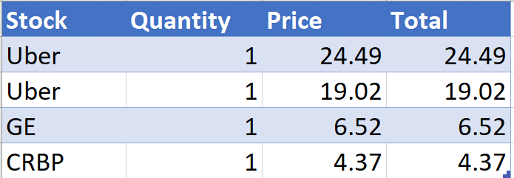
Enter these Details for every transaction
Name: Name of the Stock, Something you can easily remember
Quantity: Number of Shares you bought
Price: At What price you bought those shares, Price of a single share
Auto Populated Details
Total: It will auto calculate the Total Investment you made in that transaction

- Watchlist Worksheet
Enter these Details for every transaction
Name: Name of the Stock, Something you can easily remember
Stocks: Just write the same Name from the "Name" Column, it will automatically detect the stock from NASDAQ*

Auto Populated Details: Will be blank for the stocks you don’t own (No Transaction entered on the Transaction Sheet)
Price: The Sheet will fetch the current price of that Stock
Number of Shares: It will fetch the total number of shares you own from the Transaction Worksheet
Total Investments: It will add up all the money you have invested so far in that stock
Averaged Price: It will calculate the average price, could be used to minimize the risk of investment
Current Investment Value: Will calculate the current value of your investment, i.e. Value as per today's market rate
Profit/Loss: It will show if whether you are making $ or loosing $
P/L %: Profit/Loss percent

- Portfolio Worksheet
Auto Populated Details: Will be blank if you don’t own any stocks (No Transaction entered on the Transaction Sheet)
Total Investments: It will add up all the money you have invested so far in ALL stocks
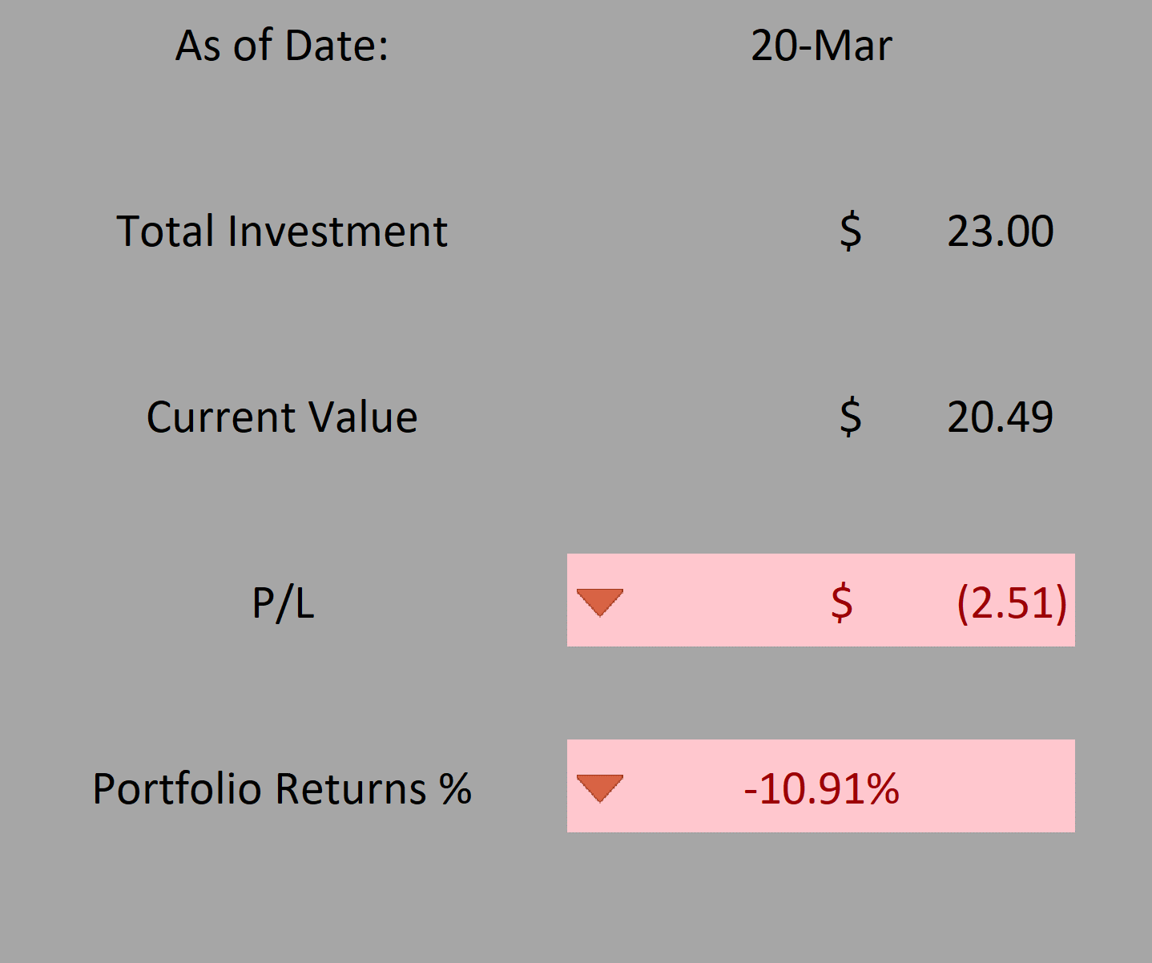
Current Investment Value: Will calculate the current value of your entire portfolio, i.e. Total Value as per today's market rate
Profit/Loss: It will show if whether you are making $ or loosing $
Portfolio Returns: Will give you profit/loss %

